Sheet1
 |  |  |  | $970,434.60
Style # | Description | Units | MSRP | MSRP Ext | Packaging Images
B01GW4CDOI | 14 inch Round, 5/8th inch Thick Pizza and Baking Stone for Oven and Grill | 19,040 | $39.99 | $761,409.60 | 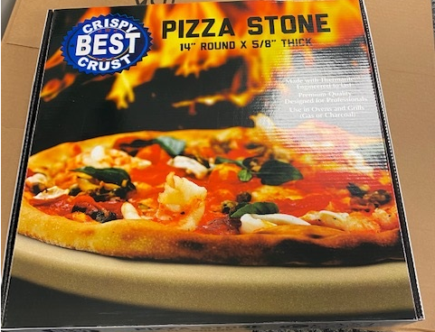 
B01GW4CDOS | 16 inch Round, 5/8th inch Thick Pizza and Baking Stone for Oven and Grill | 4,500 | $46.45 | $209,025.00 | same as above in 16"

